DELTA WING
By Span |  | By Angle

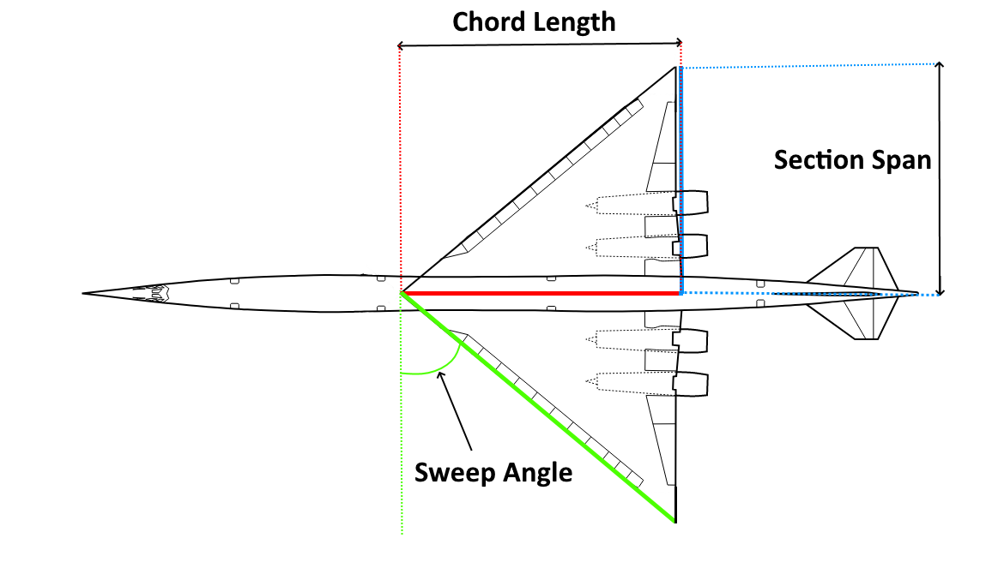
INPUT |  | INPUT

Desired Chord Length | 20 | Desired Chord Length | 20
Desired Span | 15 | Desired Sweep Angle | 65

OUTPUT - INPUT INTO SWANVLM |  | OUTPUT - INPUT INTO SWANVLM

Span | 25.00 | Span | 22.07
Sweep Angle | 53.13

ELLIPSE
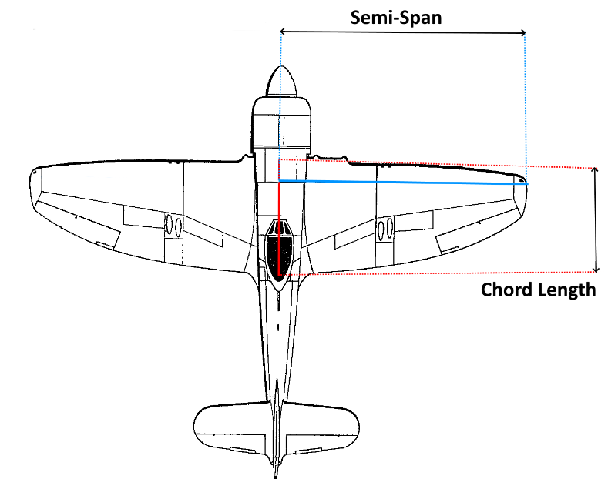
 |  |  |  | Chord | 15
 |  |  |  | Semi-Span | 50

Wing | Section | Ref Point (For first section only) |  |  | Root Profile (For first section only) | RootChord (For first section only) | Tip Profile | Tip Chord | Section Span | Section Sweep | Section Dihedral | Root Inc | Tip Inc | Mirrored in zx-plane | Inverted
 |  | x | y | z
1 | 1 | 0 | 0 | 0 | n2412 | 15 | n2412 | 14.847321628 | 7.6246698196 | 0.28685655996 | 0 | 0 | 0 | 1 | 0
1 | 2 |  |  |  |  |  | n2412 | 14.392394604 | 7.3910473228 | 0.88143301654 | 0 | 0 | 0 | 1 | 0
1 | 3 |  |  |  |  |  | n2412 | 13.64447993 | 7.0069644165 | 1.52797256 | 0 | 0 | 0 | 1 | 0
1 | 4 |  |  |  |  |  | n2412 | 12.618802992 | 6.4802399211 | 2.2636077794 | 0 | 0 | 0 | 1 | 0
1 | 5 |  |  |  |  |  | n2412 | 11.336243615 | 5.8215964284 | 3.1465101593 | 0 | 0 | 0 | 1 | 0
1 | 6 |  |  |  |  |  | n2412 | 9.8229110092 | 5.0444420204 | 4.2739011765 | 0 | 0 | 0 | 1 | 0
1 | 7 |  |  |  |  |  | n2412 | 8.1096122618 | 4.16459732 | 5.8330997902 | 0 | 0 | 0 | 1 | 0
1 | 8 |  |  |  |  |  | n2412 | 6.231225195 | 3.1999734278 | 8.2377367307 | 0 | 0 | 0 | 1 | 0
1 | 9 |  |  |  |  |  | n2412 | 4.2259883526 | 2.1702073045 | 12.6033025 | 0 | 0 | 0 | 1 | 0
1 | 10 |  |  |  |  |  | n2412 | 2.1347225741 | 1.0962620189 | 22.916031713 | 0 | 0 | 0 | 1 | 0

